natural gas pricing
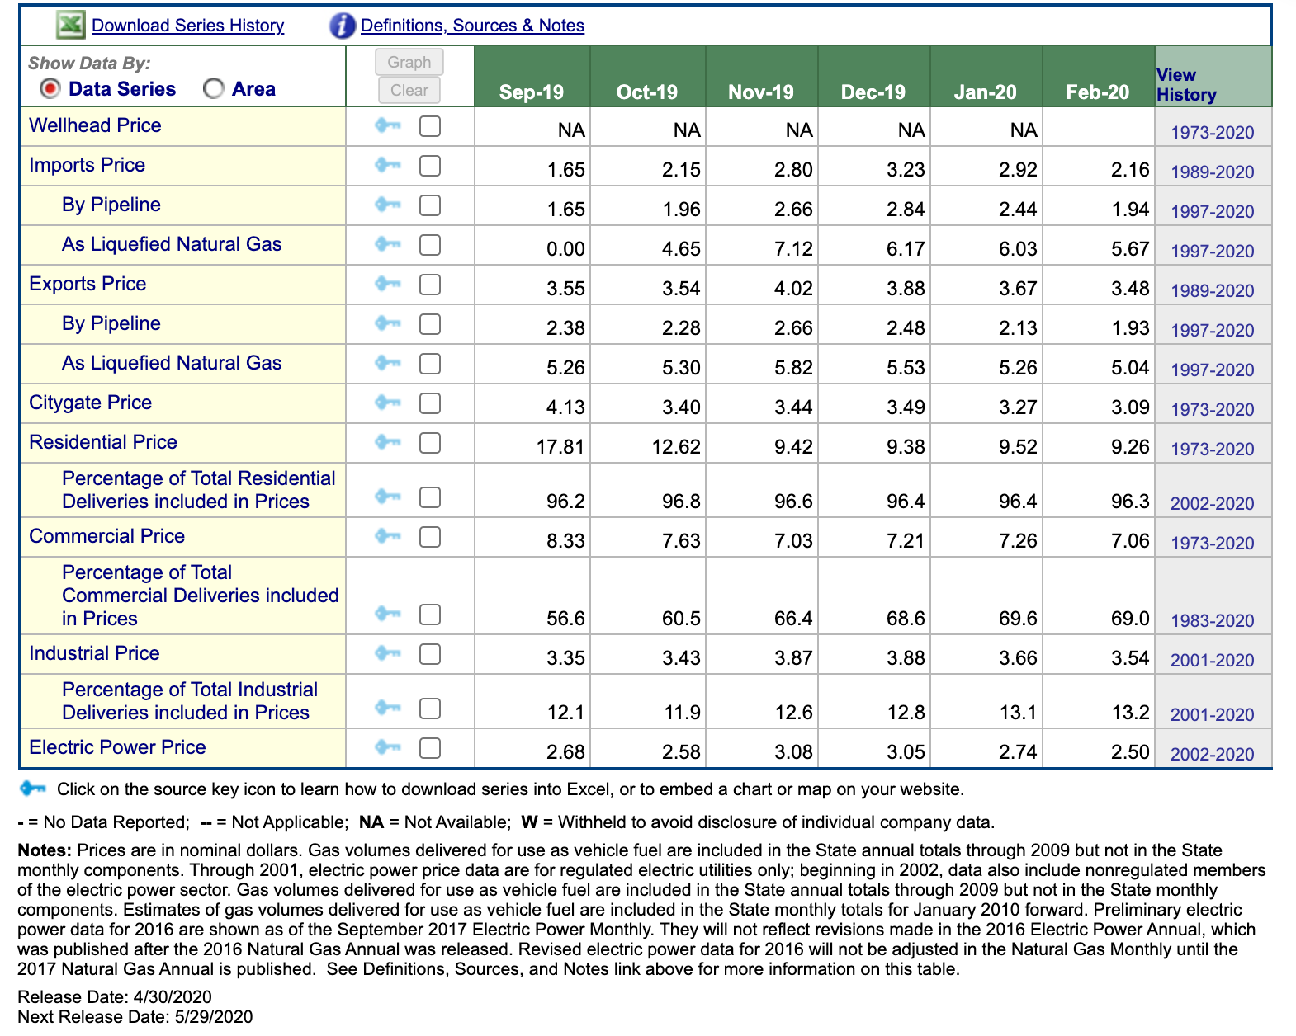
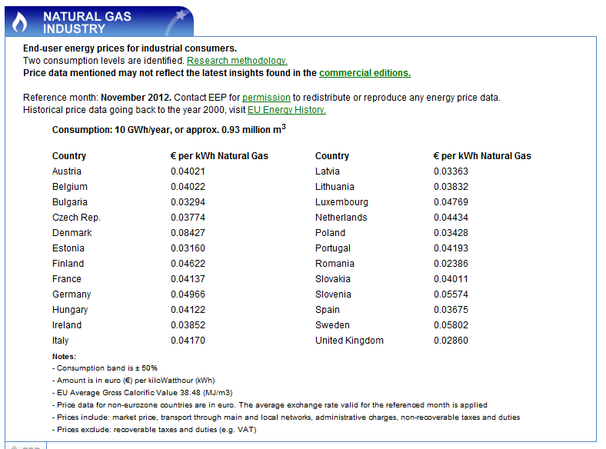

divide this number by the engine efficiency to get the effective natural gas cost per electrical kWh. for example, if the engine is 40% efficient, divide by 0.4

